Sheet1
Gantt chart for gate assignment
Flight | Arrival | Departure | Consuming | Gate assigned | Gate assigned | Flight | Arrival | Gate Y | Gate | Y | Gate x | 时间 | 数值
BY1585 | 0:15:00 | 0:55:00 | 0:40:00 | 3 | 1 | BE1034 | 9:55:00 | 18.5 | Gate01 | 18.5 | 0 | 0:30:00 | 0.020833333333
AF1473 | 5:20:00 | 6:00:00 | 0:40:00 | 5 | 1 | BE1045 | 20:45:00 | 18.5 | Gate02 | 17.5 | 0 | 1:00:00 | 0.041666666667
KL1440 | 5:25:00 | 6:05:00 | 0:40:00 | 2 | 1 | BE1051 | 14:00:00 | 18.5 | Gate03 | 16.5 | 0 | 23:00:00 | 0.95833333333
BE1030 | 6:00:00 | 6:40:00 | 0:40:00 | 4 | 1 | BE1064 | 19:35:00 | 18.5 | Gate04 | 15.5 | 0
BY1664 | 6:10:00 | 6:50:00 | 0:40:00 | 1 | 1 | BE154 | 15:15:00 | 18.5 | Gate05 | 14.5 | 0
LM70 | 6:20:00 | 7:00:00 | 0:40:00 | 6 | 1 | BE321 | 8:10:00 | 18.5 | Gate06 | 13.5 | 0
BE2121 | 6:25:00 | 7:05:00 | 0:40:00 | 3 | 1 | BY1664 | 6:10:00 | 18.5 | Gate07 | 12.5 | 0
BA1303 | 7:10:00 | 7:50:00 | 0:40:00 | 2 | 1 | FR9222 | 11:15:00 | 18.5 | Gate08 | 11.5 | 0
BE321 | 8:10:00 | 8:50:00 | 0:40:00 | 1 | 1 | KL1449 | 16:45:00 | 18.5 | Gate09 | 10.5 | 0
BE320 | 8:25:00 | 9:05:00 | 0:40:00 | 6 | 1 | LM75 | 12:30:00 | 18.5 | Gate10 | 9.5 | 0
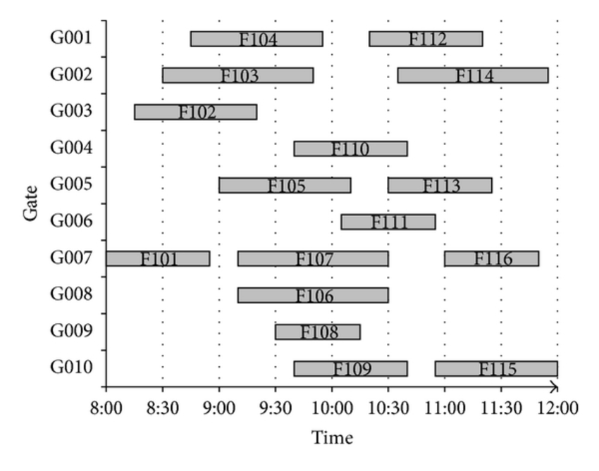
EI3241 | 8:25:00 | 9:05:00 | 0:40:00 | 4 | 1 | W61617 | 22:05:00 | 18.5 | Gate11 | 8.5 | 0
LM73 | 8:35:00 | 9:15:00 | 0:40:00 | 11 | 2 | BA1303 | 7:10:00 | 17.5 | Gate12 | 7.5 | 0
KL1442 | 8:35:00 | 9:15:00 | 0:40:00 | 2 | 2 | BA1307 | 10:25:00 | 17.5 | Gate13 | 6.5 | 0
EI3240 | 8:40:00 | 9:20:00 | 0:40:00 | 5 | 2 | BA1309 | 14:10:00 | 17.5 | Gate14 | 5.5 | 0
LM72 | 8:40:00 | 9:20:00 | 0:40:00 | 13 | 2 | BE1046 | 20:30:00 | 17.5 | Gate15 | 4.5 | 0
KL1441 | 8:45:00 | 9:25:00 | 0:40:00 | 3 | 2 | BE1052 | 18:40:00 | 17.5 | Gate16 | 3.5 | 0
LM32 | 9:05:00 | 9:45:00 | 0:40:00 | 12 | 2 | BE1063 | 11:50:00 | 17.5 | Gate17 | 2.5 | 0
LM78 | 9:05:00 | 9:45:00 | 0:40:00 | 8 | 2 | BT660 | 17:10:00 | 17.5 | Gate18 | 1.5 | 0
LM31 | 9:15:00 | 9:55:00 | 0:40:00 | 7 | 2 | BY1665 | 21:55:00 | 17.5 | Gate19 | 0.5 | 0
BE1033 | 9:50:00 | 10:30:00 | 0:40:00 | 6 | 2 | KL1440 | 5:25:00 | 17.5
BE1034 | 9:55:00 | 10:35:00 | 0:40:00 | 1 | 2 | KL1442 | 8:35:00 | 17.5
BA1306 | 10:15:00 | 10:55:00 | 0:40:00 | 3 | 3 | AF1472 | 21:00:00 | 16.5
BA1307 | 10:25:00 | 11:05:00 | 0:40:00 | 2 | 3 | BA1306 | 10:15:00 | 16.5
KL1444 | 10:30:00 | 11:10:00 | 0:40:00 | 4 | 3 | BA1308 | 14:05:00 | 16.5
KL1443 | 10:30:00 | 11:10:00 | 0:40:00 | 5 | 3 | BA1316 | 19:50:00 | 16.5
FR9222 | 11:15:00 | 11:55:00 | 0:40:00 | 1 | 3 | BE2121 | 6:25:00 | 16.5
FR9221 | 11:30:00 | 12:10:00 | 0:40:00 | 3 | 3 | BT659 | 17:10:00 | 16.5
BE2122 | 11:45:00 | 12:25:00 | 0:40:00 | 6 | 3 | BY1585 | 0:15:00 | 16.5
BE1063 | 11:50:00 | 12:30:00 | 0:40:00 | 2 | 3 | FR9221 | 11:30:00 | 16.5
LM34 | 11:50:00 | 12:30:00 | 0:40:00 | 4 | 3 | KL1441 | 8:45:00 | 16.5
LM33 | 12:00:00 | 12:40:00 | 0:40:00 | 7 | 3 | KL1451 | 22:15:00 | 16.5
LM74 | 12:20:00 | 13:00:00 | 0:40:00 | 5 | 3 | LM77 | 15:45:00 | 16.5
LM75 | 12:30:00 | 13:10:00 | 0:40:00 | 1 | 4 | AF1273 | 13:05:00 | 15.5
AF1273 | 13:05:00 | 13:45:00 | 0:40:00 | 4 | 4 | BE1030 | 6:00:00 | 15.5
AF1272 | 13:10:00 | 13:50:00 | 0:40:00 | 6 | 4 | BE153 | 15:00:00 | 15.5
BE1037 | 13:40:00 | 14:20:00 | 0:40:00 | 5 | 4 | EI3241 | 8:25:00 | 15.5
BE1051 | 14:00:00 | 14:40:00 | 0:40:00 | 1 | 4 | KL1444 | 10:30:00 | 15.5
BA1308 | 14:05:00 | 14:45:00 | 0:40:00 | 3 | 4 | KL1450 | 16:35:00 | 15.5
BA1309 | 14:10:00 | 14:50:00 | 0:40:00 | 2 | 4 | LM34 | 11:50:00 | 15.5
LM37 | 14:45:00 | 15:25:00 | 0:40:00 | 6 | 4 | W61618 | 21:55:00 | 15.5
BE153 | 15:00:00 | 15:40:00 | 0:40:00 | 4 | 5 | AF1473 | 5:20:00 | 14.5
BE154 | 15:15:00 | 15:55:00 | 0:40:00 | 1 | 5 | BE1037 | 13:40:00 | 14.5
LM77 | 15:45:00 | 16:25:00 | 0:40:00 | 3 | 5 | EI3240 | 8:40:00 | 14.5
KL1450 | 16:35:00 | 17:15:00 | 0:40:00 | 4 | 5 | KL1443 | 10:30:00 | 14.5
KL1449 | 16:45:00 | 17:25:00 | 0:40:00 | 1 | 5 | LM74 | 12:20:00 | 14.5
BT660 | 17:10:00 | 17:50:00 | 0:40:00 | 2 | 6 | AF1272 | 13:10:00 | 13.5
BT659 | 17:10:00 | 17:50:00 | 0:40:00 | 3 | 6 | BE1033 | 9:50:00 | 13.5
BE1052 | 18:40:00 | 19:20:00 | 0:40:00 | 2 | 6 | BE2122 | 11:45:00 | 13.5
BE1064 | 19:35:00 | 20:15:00 | 0:40:00 | 1 | 6 | BE320 | 8:25:00 | 13.5
BA1316 | 19:50:00 | 20:30:00 | 0:40:00 | 3 | 6 | LM37 | 14:45:00 | 13.5
BE1046 | 20:30:00 | 21:10:00 | 0:40:00 | 2 | 6 | LM70 | 6:20:00 | 13.5
BE1045 | 20:45:00 | 21:25:00 | 0:40:00 | 1 | 7 | LM31 | 9:15:00 | 12.5
AF1472 | 21:00:00 | 21:40:00 | 0:40:00 | 3 | 7 | LM33 | 12:00:00 | 12.5
W61618 | 21:55:00 | 22:35:00 | 0:40:00 | 4 | 8 | LM78 | 9:05:00 | 11.5
BY1665 | 21:55:00 | 22:35:00 | 0:40:00 | 2 | 11 | LM73 | 8:35:00 | 8.5
W61617 | 22:05:00 | 22:45:00 | 0:40:00 | 1 | 12 | LM32 | 9:05:00 | 7.5
KL1451 | 22:15:00 | 22:55:00 | 0:40:00 | 3 | 13 | LM72 | 8:40:00 | 6.5

